Projected Retention
MC Breakdown |  |  | MC Breakdown
Enrolled | Completed | Dropped | Enrolled | Completed | Dropped
1170 | 642 | 528 | 1170 | 774 | 396
 | 55% | 45% |  | 68% | 34%

 |  |  |  |  |  | Learners Success Rate Comparison
(100%)
(100%)
11% Growth 132 Users
 |  |  |  |  |  | Before | After Personalization & Enhancements

(55%)
(66%)

(45%)
(34%)

Dropout Breakdown
Row Labels | Count of MC | Dropped | Before Assessment | Assessment Stage | Failed
Earned Certification | 642 | 528 | 320 | 83 | 125
Before Assessment | 320 | 45% | 27% | 7% | 11%
Failed Assessment | 125
Assessment Stage | 83
Grand Total | 1170

Dropout Breakdown

Impact of AB Test & Forums
Impact of Personalization: A/B Testing Output |  |  |  |  |  | Impact of Discussion Forums

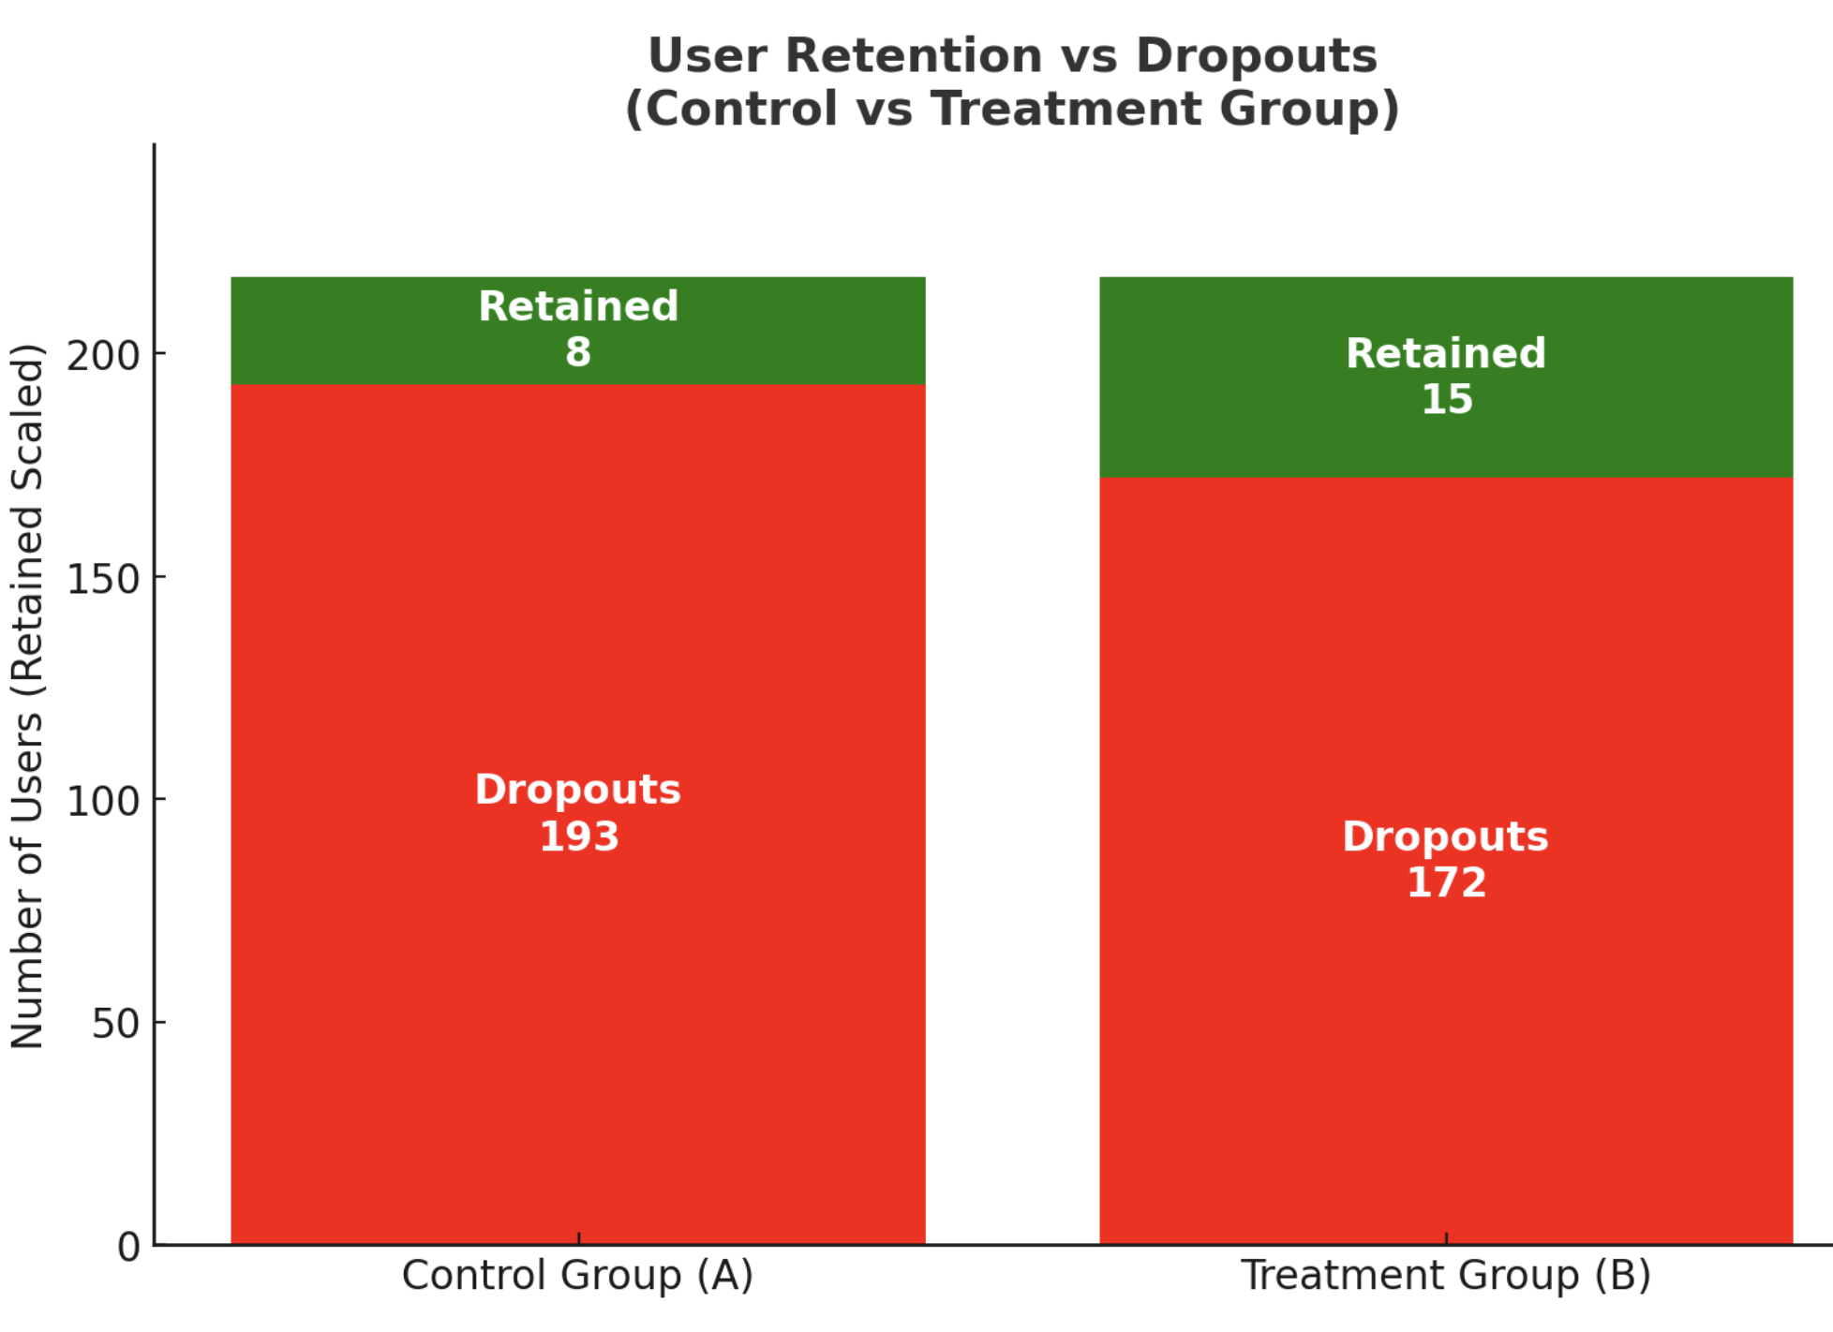

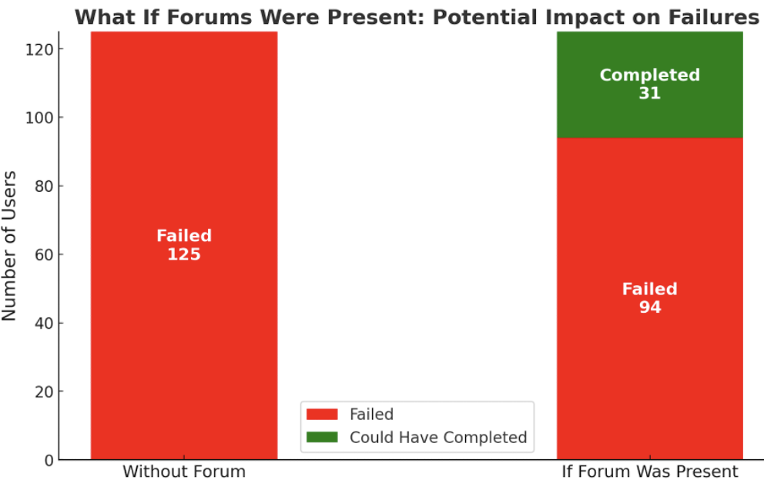

 | Group | Total Users | Dropouts | Retained Users | Dropout Rate (%)
 | A (Control) | 201 | 193 | 8 | 4.10%
 | B (Treatment) | 202 | 172 | 30 | 7.50%

MC & MP Completion Rate
Row Labels | Count of user_id | Count of grade | Micro-Credential | Count of user_id | Count of grade | Dropped Rate | Completion % | Dropped % | Micro-programme | MP Enrolled | Completion Rate | Dropped Rate | Completion % | Dropped %
Gender Mainstreaming and Intersectionality (MC43v1) | 430 | 285 | Gender Mainstreaming and Intersectionality (MC43v1) | 430 | 285 | 145 | 66% | 34% | Innovation in the Urban Energy Sector: Strategies and Management | 539 | 334 | 205 | 62% | 38%
Sustainable Business Models (MC44v1) | 202 | 176 | Sustainable Business Models (MC44v1) | 202 | 176 | 26 | 87% | 13% | Sustainable Energy Solutions for Cities: Policy and Implementation Strategies | 256 | 201 | 55 | 79% | 21%
Decision-Making for Energy Projects under Uncertainity (MC34v1) | 42 | 24 | Decision-Making for Energy Projects under Uncertainity (MC34v1) | 42 | 24 | 18 | 57% | 43% | Sustainable Finance and Energy Transition in Cities | 112 | 44 | 68 | 39% | 61%
Data Analytics for the Energy Sector (MC06v1) | 39 | 17 | Data Analytics for the Energy Sector (MC06v1) | 39 | 17 | 22 | 44% | 56% | Sustainability by Design: Developing a Resilient Built Environment | 83 | 11 | 72 | 13% | 87%
Introduction to Sustainable Finance (MC02v1) | 37 | 12 | Introduction to Sustainable Finance (MC02v1) | 37 | 12 | 25 | 32% | 68% | Decarbonization Strategies and Social Innovation for Cities and Communities | 62 | 17 | 45 | 27% | 73%
Energy Utilisation and Storage (MC11v1) | 29 | 4 | Energy Utilisation and Storage (MC11v1) | 29 | 4 | 25 | 14% | 86% | Sustainable Energy Technologies and Strategies in Urban Environments | 49 | 4 | 45 | 8% | 92%
Strategic Behaviour in Energy Markets: Options and Games (MC35v1) | 25 | 19 | Strategic Behaviour in Energy Markets: Options and Games (MC35v1) | 25 | 19 | 6 | 76% | 24% | Business Strategies for a Sustainable Urban Transition | 36 | 23 | 13 | 64% | 36%
Investing in Sustainability (MC04v1) | 22 | 12 | Investing in Sustainability (MC04v1) | 22 | 12 | 10 | 55% | 45% | Advanced Design of Sustainable Cities | 33 | 8 | 25 | 24% | 76%
Enacting a Circular Economy (MC01v1) | 21 | 12 | Enacting a Circular Economy (MC01v1) | 21 | 12 | 9 | 57% | 43%
Thermal Simulation of Buildings (MC12v1) | 19 | 2 | Thermal Simulation of Buildings (MC12v1) | 19 | 2 | 17 | 11% | 89%
Management of Innovation Projects (MC41v1) | 19 | 6 | Management of Innovation Projects (MC41v1) | 19 | 6 | 13 | 32% | 68% |  | MC Breakdown
Introduction to Renewable Energies (MC23v1) | 18 | 6 | Introduction to Renewable Energies (MC23v1) | 18 | 6 | 12 | 33% | 67% |  | Enrolled | Completed | Dropped
Energy Markets (MC09v1) | 17 | 7 | Energy Markets (MC09v1) | 17 | 7 | 10 | 41% | 59% |  | 1170 | 642 | 528
Urban Renewable Energy: Decision Making Methodologies (MC30v1) | 15 | 4 | Urban Renewable Energy: Decision Making Methodologies (MC30v1) | 15 | 4 | 11 | 27% | 73% |  |  | 55% | 45%
Efficient Building Techniques (MC18v1) | 13 | 2 | Efficient Building Techniques (MC18v1) | 13 | 2 | 11 | 15% | 85%
Climate Risk and Climate Investing (MC05v1) | 12 | 4 | Climate Risk and Climate Investing (MC05v1) | 12 | 4 | 8 | 33% | 67%
Case Studies in Energy Management (MC08v1) | 12 |  | Case Studies in Energy Management (MC08v1) | 12 |  | 12 | 0% | 100%
Understanding Critical Raw Materials (MC26v2) | 12 |  | Understanding Critical Raw Materials (MC26v2) | 12 |  | 12 | 0% | 100%
(100%)
Tools, Strategies and Trends in Sustainable Finance (MC03v1) | 11 | 3 | Tools, Strategies and Trends in Sustainable Finance (MC03v1) | 11 | 3 | 8 | 27% | 73%
Analysis of Energy Consumption (MC07v1) | 11 | 2 | Analysis of Energy Consumption (MC07v1) | 11 | 2 | 9 | 18% | 82%
Circular Economy for Sustainable Cities (MC40v1) | 11 | 4 | Circular Economy for Sustainable Cities (MC40v1) | 11 | 4 | 7 | 36% | 64%
Energy Strategy and Energy Transition (MC14v1) | 10 | 3 | Energy Strategy and Energy Transition (MC14v1) | 10 | 3 | 7 | 30% | 70%
(55%)
Advanced Modelling of Buildings and Energy Systems (MC13v1) | 10 | 1 | Advanced Modelling of Buildings and Energy Systems (MC13v1) | 10 | 1 | 9 | 10% | 90%
Social Acceptance of Technologies (MC32v1) | 10 | 6 | Social Acceptance of Technologies (MC32v1) | 10 | 6 | 4 | 60% | 40%
Fundamentals of Energy Systems (MC22v1) | 10 | 4 | Fundamentals of Energy Systems (MC22v1) | 10 | 4 | 6 | 40% | 60%
Tools for City Decarbonisation (MC21v1) | 9 | 2 | Tools for City Decarbonisation (MC21v1) | 9 | 2 | 7 | 22% | 78%
(45%)
Energy Communities Implementation in the Urban Environment (MC19v1) | 9 |  | Energy Communities Implementation in the Urban Environment (MC19v1) | 9 |  | 9 | 0% | 100%
How Sustainable is your City? (MC27v1) | 9 | 5 | How Sustainable is your City? (MC27v1) | 9 | 5 | 4 | 56% | 44%
Renewable Energy Investments (MC37v1) | 9 | 2 | Renewable Energy Investments (MC37v1) | 9 | 2 | 7 | 22% | 78%
Energy Policy and Flexible Technologies (MC36v1) | 8 |  | Energy Policy and Flexible Technologies (MC36v1) | 8 |  | 8 | 0% | 100%
Positive Energy Districts (MC20v1) | 8 | 1 | Positive Energy Districts (MC20v1) | 8 | 1 | 7 | 13% | 88%
Energy Management and Smart Communities (MC15v1) | 8 | 1 | Energy Management and Smart Communities (MC15v1) | 8 | 1 | 7 | 13% | 88%
Urban Metabolism Strategies (MC24v1) | 7 | 2 | Urban Metabolism Strategies (MC24v1) | 7 | 2 | 5 | 29% | 71%
Digital Payments and Smart City Platforms (MC25v1) | 7 | 3 | Digital Payments and Smart City Platforms (MC25v1) | 7 | 3 | 4 | 43% | 57%
Energy Justice and Poverty (MC31v1) | 7 | 2 | Energy Justice and Poverty (MC31v1) | 7 | 2 | 5 | 29% | 71%
Decarbonisation of Thermal Energy (MC17v1) | 7 | 4 | Decarbonisation of Thermal Energy (MC17v1) | 7 | 4 | 3 | 57% | 43%
Sustainable Development Goals for Cities (MC28v1) | 6 | 1 | Sustainable Development Goals for Cities (MC28v1) | 6 | 1 | 5 | 17% | 83%
Energy Policy (MC16v1) | 6 | 2 | Energy Policy (MC16v1) | 6 | 2 | 4 | 33% | 67%
Hydrogen Technologies for Urban Areas (MC33v1) | 5 | 1 | Hydrogen Technologies for Urban Areas (MC33v1) | 5 | 1 | 4 | 20% | 80%
Small Scale Wind Power (MC42v1) | 4 |  | Small Scale Wind Power (MC42v1) | 4 |  | 4 | 0% | 100%
Biogas Systems for Climate Transition (MC39v1) | 3 | 1 | Biogas Systems for Climate Transition (MC39v1) | 3 | 1 | 2 | 33% | 67%
Introduction to Industrial Organization (MC29v1) | 1 |  | Introduction to Industrial Organization (MC29v1) | 1 |  | 1 | 0% | 100%
Grand Total | 1170 | 642 | Grand Total | 1170 | 642 | 528
 |  |  |  |  | 55% | 45%

